Calibration
Comparing the Average Traffic Volumes between the Data from VISSIM simulation and Transport Department/ Field Surveys (Usual Scenario on Weekdays)
$VISION | Road Name | Direction to/from a Road | Average Traffic Volume from VISSIM | Average Traffic Volume from Transport Department and Field SurveyAADT | Source of real-world data | Error
301 | Canal Road East | The direction to Sharp St E | 127 | 129 | AADT | -1.55%
302 | Canal Road West | The direction to Sharp St W | 263 | 238 | AADT | 10.50%
18 | Fenwick Street | The direction to Gloucester Rd | 526 | 567 | AADT | -7.23%
62 | Fleming Road | The direction to Convention Ave | 966 | 1006 | AADT | -3.98%
34 | Gloucester Road | The direction to Upper Albert Rd | 2861 | 2672 | AADT | 7.07%
35 | Gloucester Road | The direction to Cross Harbour Tunnel S. INT | 2965 | 2988 | AADT | -0.77%
10 | Harbour Road | The direction to Tonnochy Rd | 1218 | 1095 | AADT | 11.23%
9 | Harbour Road | The direction from Tonnochy Road | 526 | 498 | Field Survey | 5.62%
121 | Hennessy Road | The direction to Canal Rd FO <H110> | 1371 | 1447 | AADT | -5.25%
106 | Hennessy Road | The direction to Luard Rd | 1367 | 1329 | AADT | 2.86%
119 | Hennessy Road | The direction to Percival St | 1361 | 1168 | AADT | 16.52%
133 | Hennessy Road | The direction to Johnston Rd | 1578 | 1759 | AADT | -10.29%
115 | Hennessy Road | The direction to Stewart Rd | 1170 | 1257 | AADT | -6.92%
117 | Hennessy Road | The direction to Fleming Rd | 1744 | 1641 | AADT | 6.28%
108 | Hennessy Road | The direction to Fenwick St | 1122 | 1319 | AADT | -14.94%
The traffic volumes may be slightly different due to collectig the data in different positions of the same road
107 | Hennessy Road | The direction to Tin Lok Lane | 1088 | 1231 | AADT | -11.62%
8 | Hung Hing Road | The direction to Hung Hing Rd FO <H159> | 1245 | 1378 | AADT | -9.65%
43 | Hung Hing Road | The direction to Victoria Park Rd | 2418 | 2713 | AADT | -10.87%
144 | Johnston Road | The direction to Luard Rd | 201 | 211 | AADT | -4.74%
179 | Johnston Road | The direction to Hennessy Rd | 226 | 268 | AADT | -15.67%
157 | Johnston Road | The direction to Fleming Rd | 678 | 669 | AADT | 1.35%
247 | Leighton Road | The direction to Percival St | 1325 | 1416 | AADT | -6.43%
250 | Leighton Road | The direction to Wong Nai Chung Rd | 1737 | 1748 | AADT | -0.63%
88 | Lockhart Road | The direction to Percival St | 928 | 973 | AADT | -4.62%
286 | Marsh Road | The direction to Hennessy Rd | 567 | 522 | AADT | 8.62%
226 | Morrison Hill Road | The direction to Leighton Rd | 1782 | 1812 | AADT | -1.66%
224 | Morrison Hill Road | The direction to Queen's Rd E | 1499 | 1522 | AADT | -1.51%
105 | Percival Street | The direction to Leighton Rd | 685 | 758 | AADT | -9.63%
70 | Percival Street | The direction to Hennessy Rd | 639 | 702 | AADT | -8.97%
268 | Queen's Road East | The direction to Stubbs Rd | 2296 | 2466 | AADT | -6.89%
194 | Tin Lok Lane | The direction to Wan Chai Rd | 505 | 612 | AADT | -17.48%
22 | Tonnochy Road | The direction to Gloucester Rd | 722 | 814 | AADT | -11.30%
21 | Tonnochy Road | The direction to Hennessy Rd | 451 | 521 | AADT | -13.44%
244 | Yiu Wa Street | The direction to Matheson St | 217 | 256 | AADT | -15.23%
339 | Queen's Road East | The direction to Kennedy Rd | 854 | 976 | AADT | -12.50%
2 | Fenwick Pier Street | The direction to Harcourt Rd | 1215 | 1078 | AADT | 12.71%
56 | Arsenal Street | The direction to Gloucester Rd E-B | 1367 | 1518 | AADT | -9.95%
68 | Canal Road Flyover | The direction to Aberdeen Tunnel N. Portal | 2720 | 2475 | AADT | 9.90%
69 | Canal Road Flyover | The direction to Sports Rd | 2741 | 2689 | AADT | 1.93%
182 | Wanchai Road | The direction to Queen's Rd E | 363 | 340 | AADT | 6.76%
183 | Wanchai Road | The direction to Morrison Hill Rd | 376 | 402 | AADT | -6.47%
297 | Amoy Street | The direction to Johnston Road | 339 | 294 | Field Survey | 15.31%
141 | Anton Street | The direction to Queen's Road East | 96 | 90 | Field Survey | 6.67%
198 | Burrows Street | The direction to Wanchai Road | 169 | 198 | Field Survey | -14.65%
4 | Convention Avenue | The direction to Hung Hing Road | 919 | 1050 | Field Survey | -12.48%
5 | Convention Avenue | The direction from Hung Hing Road | 2125 | 2040 | Field Survey | 4.17%
202 | Cross Lane | The direction from Burrows Street | 72 | 84 | Field Survey | -14.29%
200 | Heard Street | The direction to Wanchai Road | 109 | 114 | Field Survey | -4.39%
50 | Jaffe Road | The direction to Canal Road West | 965 | 1068 | Field Survey | -9.64%
220 | Lap Tak Lane | The direction to Yat Sin Street | 167 | 180 | Field Survey | -7.22%
59 | Luard Road | The direction to Gloucester Road | 451 | 492 | Field Survey | -8.33%
149 | Lun Fat Street | The direction to Johnston Road | 349 | 336 | Field Survey | 3.87%
199 | Mallory Street | The direction to Johnston Road | 104 | 102 | Field Survey | 1.96%
245 | Matheson Street | The direction to Russell Street | 288 | 300 | Field Survey | -4.00%
213 | Oi Kwan Road | The direction to Oi Kwan Street | 182 | 204 | Field Survey | -10.78%
241 | Russell Street | The direction to Canal Road East | 279 | 258 | Field Survey | 8.14%
206 | Salvation Army Street | The direction to Salvation Army Street | 109 | 96 | Field Survey | 13.54%
251 | Sharp Street East | The direction to Canal Road East | 245 | 216 | Field Survey | 13.43%
242 | Sharp Street East | The direction from Leighton Road | 628 | 594 | Field Survey | 5.72%
150 | Ship Street | The direction to Queen's Road East | 242 | 210 | Field Survey | 15.24%
168 | Spring Garden Lane | The direction to Johnston Road | 371 | 330 | Field Survey | 12.42%
97 | Stewart Street | The direction to Lockhart Road | 121 | 120 | Field Survey | 0.83%
98 | stewart Street | The direction from Lockhart Road | 122 | 120 | Field Survey | 1.67%
278 | Sung Tak Street | The direction from Oi Kwan Street | 93 | 108 | Field Survey | -13.89%
223 | Sung Tak Street | The direction to Oi Kwan Street | 95 | 113 | Field Survey | -15.93%
171 | Tai Wo Street | The direction from Johnston Road | 42 | 48 | Field Survey | -12.50%
152 | Tai Wong Street East | The direction to Johnston Road | 432 | 390 | Field Survey | 10.77%
212 | Tak Yan Street | The direction to Oi Kwan Street | 162 | 150 | Field Survey | 8.00%
240 | Tang Lung Street | The direction from Canal Road East | 344 | 330 | Field Survey | 4.24%
142 | Thomson Road | The direction to Johnston Road | 125 | 150 | Field Survey | -16.67%
208 | Wing Cheung Street | The direction to Wood Road | 322 | 324 | Field Survey | -0.62%
209 | Wing Cheung Street | The direction to Oi Kwan Road | 304 | 336 | Field Survey | -9.52%
205 | Wood Road | The direction to Wanchai Road | 193 | 180 | Field Survey | 7.22%
207 | Wood Road | The direction to Burrows Street | 310 | 276 | Field Survey | 12.32%
215 | Yat Sin Street | The direction to Oi Kwan Street | 173 | 156 | Field Survey | 10.90%
219 | Yat Sin Street | The direction from Oi Kwan Street | 223 | 210 | Field Survey | 6.19%
99 | Tonnochy Road Flyover | Gloucester Rd | 107 | 102 | AADT | 4.90%
100 | Tonnochy Road Flyover | Tonnochy Rd | 173 | 198 | AADT | -12.63%

Transport Department Data
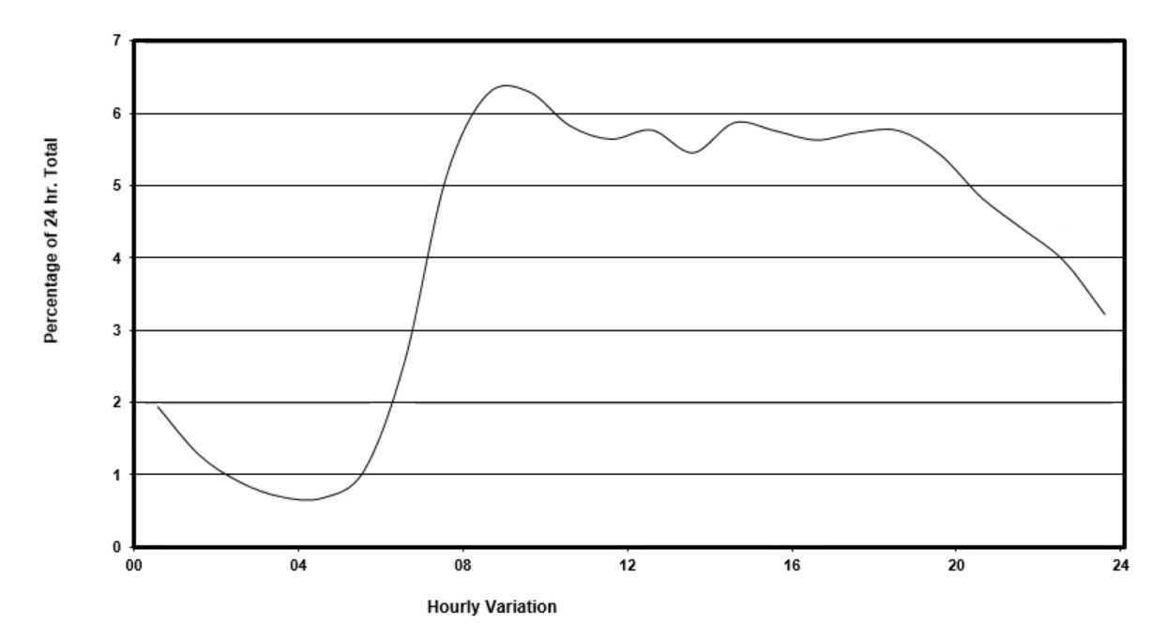
Average Traffic Volumes from Transport Department (The latest 2018 version)
ID of Census | StationNo | StationType | Regional | RoadType | RoadNetwork | RoadName | RoadFrom | RoadTo | PreAADT | CurAADT | ChangeAADT | Average Traffic Volume(Veh/h)
97 | 1412 | C | HK | PD | Major | Arsenal St FO <H70> & GL | Queensway | Gloucester Rd E-B | 25540 | 25300 | -0.9 | 1518
72 | 1240 | C | HK | DD | Major | Canal Rd E | Hennessy Rd | Sharp St E | 2200 | 2160 | -1.9 | 129
73 | 1241 | C | HK | DD | Major | Canal Rd W | Hennessy Rd | Sharp St W | 4060 | 3980 | -1.9 | 238
303 | 2048 | C | HK | PD | Major | Fenwick Pier St FO <H170> | Fenwick Pier St | Harcourt Rd | 18129 | 17966 | -0.9 | 1078
144 | 1459 | C | HK | LD | Major | Fenwick St | Hennessy Rd | Gloucester Rd | 9497 | 9450 | -0.5 | 567
118 | 1433 | C | HK | DD | Major | Fleming Rd | Johnston Rd | Convention Ave | 16850 | 16770 | -0.5 | 1006
13673 | 1028 | A | HK | UT | Major | Gloucester Rd | Arsenal St | Cross Harbour Tunnel S. INT | 49750 | 49800 | 0.1 | 2988
316 | 2211 | B | HK | PD | Major | Garden Rd | Des Voeux Rd C | Upper Albert Rd | 43,880 | 44,540 | 1.5 | 2672
98 | 1413 | C | HK | PD | Major | Hennessy Rd | Tin Lok Lane | Canal Rd FO <H110> | 24350 | 24120 | -0.9 | 1447
158 | 1609 | C | HK | PD | Major | Hennessy Rd | Fenwick St | Luard Rd | 23560 | 22150 | -6 | 1329
159 | 1610 | C | HK | PD | Major | Hennessy Rd | Canal Rd FO <H110> | Percival St | 24970 | 19470 | -22 | 1168
269 | 2014 | C | HK | PD | Major | Hennessy Rd | Arsenal St | Johnston Rd | 29582 | 29316 | -0.9 | 1759
270 | 2015 | C | HK | PD | Major | Hennessy Rd | Fleming Rd | Stewart Rd | 21160 | 20960 | -0.9 | 1257
13674 | 1029 | A | HK | PD | Major | Hennessy Rd | Luard Rd | Fleming Rd | 27200 | 27360 | 0.6 | 1641
43 | 1210 | C | HK | PD | Major | Hennessy Rd | Johnston Rd | Fenwick St | 22186 | 21986 | -0.9 | 1319
Distribution of traffic volumes during a day in Wan Chai District provided by Trnasport Department
44 | 1211 | C | HK | PD | Major | Hennessy Rd | Stewart Rd | Tin Lok Lane | 20706 | 20520 | -0.9 | 1231
136 | 1451 | C | HK | DD | Major | Hung Hing Rd | Tonnochy Rd | Hung Hing Rd FO <H159> | 23100 | 22980 | -0.5 | 1378
137 | 1452 | C | HK | PD | Major | Hung Hing Rd FO <H159> | Hung Hing Rd | Victoria Park Rd | 45370 | 45220 | -0.9 | 2713
234 | 1844 | C | HK | DD | Major | Johnston Rd | Landale St | Luard Rd | 4133 | 3530 | -14.6 | 211
287 | 2032 | C | HK | DD | Major | Johnston Rd | Luard Rd | Fleming Rd | 11216 | 11160 | -0.5 | 669
64 | 1232 | C | HK | DD | Major | Johnston Rd | Fleming Rd | Hennessy Rd | 4663 | 4640 | -0.5 | 278
180 | 1631 | C | HK | DD | Major | Leighton Rd | Morrison Hill Rd | Canal Rd E | 43010 | 36800 | -14.4 | 2208
237 | 1847 | C | HK | DD | Major | Leighton Rd | Canal Rd E | Wong Nai Chung Rd | 33550 | 29140 | -13.1 | 1748
290 | 2035 | C | HK | DD | Major | Leighton Rd | Wong Nai Chung Rd | Percival St | 24057 | 23600 | -1.9 | 1416
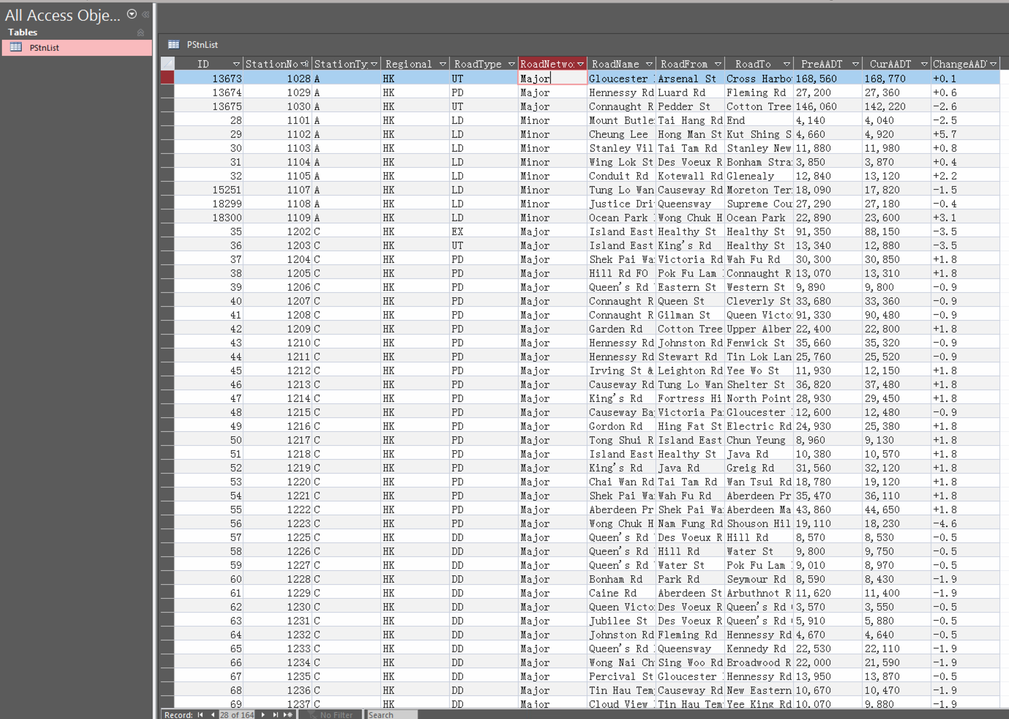
20 | 1020 | A | HK | LD | Major | Lockhart Rd | Arsenal St | Percival St | 16550 | 16220 | -2 | 973
350 | 2625 | C | HK | LD | Minor | Marsh Rd | Gloucester Rd | Hennessy Rd | 8740 | 8710 | -0.4 | 522
179 | 1630 | C | HK | DD | Major | Morrison Hill Rd | Leighton Rd | Queen's Rd E | 24556 | 25366 | 3.3 | 1522
288 | 2033 | C | HK | DD | Major | Morrison Hill Rd | Wan Chai Rd | Leighton Rd | 30360 | 30200 | -0.5 | 1812
121 | 1436 | C | HK | DD | Major | Percival St | Hennessy Rd | Leighton Rd | 12696 | 12633 | -0.5 | 758
67 | 1235 | C | HK | DD | Major | Percival St | Gloucester Rd | Hennessy Rd | 11758 | 11700 | -0.5 | 702
65 | 1233 | C | HK | DD | Major | Queen's Rd E | Queensway | Kennedy Rd | 16581 | 16266 | -1.9 | 976
119 | 1434 | C | HK | DD | Major | Queen's Rd E | Kennedy Rd | Stubbs Rd | 41,320 | 41,100 | -0.5 | 2466
Screenshot of the traffic volume database provided by Transport Department
235 | 1845 | C | HK | DD | Major | Tin Lok Lane | Hennessy Rd | Wan Chai Rd | 10793 | 10200 | -5.5 | 612
135 | 1450 | C | HK | DD | Major | Tonnochy Rd | Hung Hing Rd | Gloucester Rd | 13634 | 13566 | -0.5 | 814
143 | 1458 | C | HK | LD | Major | Tonnochy Rd | Gloucester Rd | Hennessy Rd | 8726 | 8683 | -0.5 | 521
83 | 1251 | C | HK | PD | Major | Tonnochy Rd FO <H171> | Tonnochy Rd | Gloucester Rd | 1868 | 1700 | -0.9 | 102
253 | 1863 | C | HK | DD | Major | Tonnochy Rd FO <H171> | Gloucester Rd | Tonnochy Rd | 3775 | 3300 | -12.6 | 198
176 | 1627 | C | HK | DD | Major | Wan Chai Rd | Johnston Rd | Morrison Hill Rd | 6555 | 6700 | 2.2 | 402
370 | 2646 | C | HK | LD | Minor | Wan Chai Rd | Johnston Rd | Queen's Rd E | 5780 | 5680 | -1.7 | 340
373 | 2649 | C | HK | LD | Minor | Yiu Wa St | Canal Rd E | Matheson St | 5190 | 4440 | -14.4 | 266
258 | 2003 | C | HK | UT | Major | Canal Rd FO <H110> | Sharp St E. | Sports Rd | 45223 | 44816 | -0.9 | 2689
259 | 2004 | C | HK | UT | Major | Canal Rd FO <H110> | Sports Rd | Aberdeen Tunnel N. Portal | 42750 | 41260 | -3.5 | 2475
134 | 1449 | C | HK | DD | Major | Harbour Rd | Fleming Rd | Tonnochy Rd | 18,340 | 18,250 | -0.5 | 1095

